Dala Sales & Deliveries
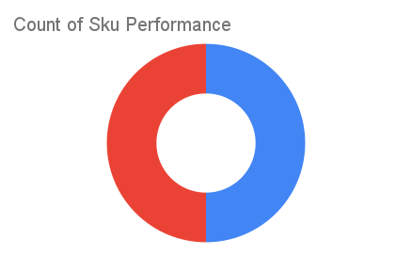
Total Invoices Delivered | 0.00 | Sku Performance | Units | Value
Unique Locations Supplied | 0.00 | 100g Cressolife Sweetened Cashew Nuts (24x) | 0.00 | 0.00
Total Value of orders | 0.00 | 1Ltrs Cressolife Palm Oil (12x) | 0.00 | 0.00
 |  |  | 0.00 | 0.00
 |  |  | 0.00 | 0.00
 |  |  | 0.00 | 0.00
 |  |  | 0.00 | 0.00
 |  |  | 0.00 | 0.00
 |  |  | 0.00 | 0.00
 |  |  | 0.00 | 0.00
 |  |  | 0.00 | 0.00
 |  |  | 0.00 | 0.00
 |  |  | 0.00 | 0.00

